Manager Dashboard
Copyright pending, Trade Secrets - Please do not distribute
Today's Date: | 6/3/25 |  | *** Request from Lead Manager to give access to Manager to cover another Manager's Dashboard***
Map of Claims
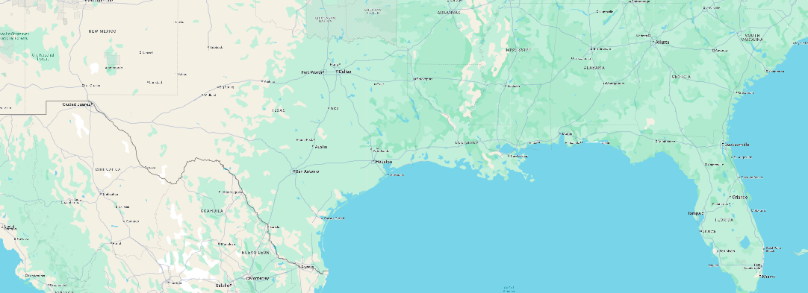
 |  |  |  |  |  |  |  |  |  |  |  |  |  |  |  |  |  |  |  |  |  |  |  | Teams Chat
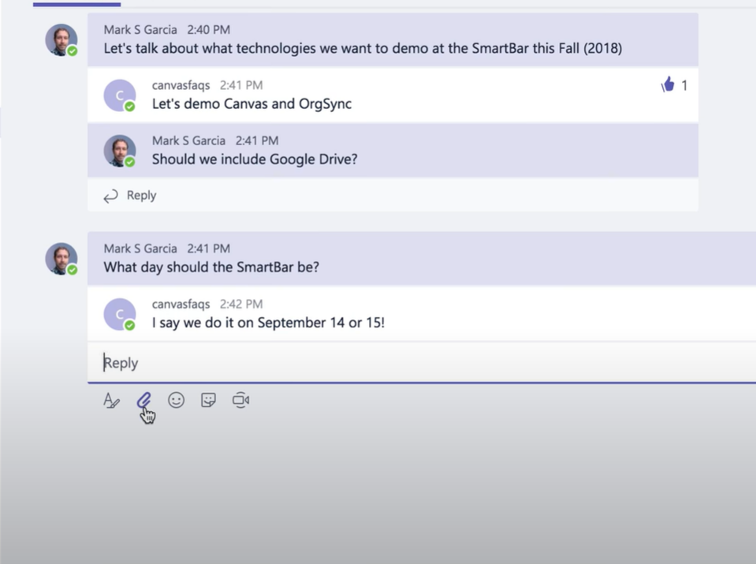

 |  |  |  |  |  |  |  |  |  |  |  |  |  |  |  | XactAnalysis | *email sent when system is down and notification for scheduled outages
 |  |  |  |  |  |  |  |  |  |  |  |  |  |  |  | Summary Status Page | *Email on claims in yellow and red status
 |  |  |  |  |  |  |  | *Timer should start over with Supplement |  |  | ***XactAnalysis Status should highlight if Cancelled appears
All Claims
Claim # | Enterered Assignment Queue | First Contact Status | Inspection Status | QA First File Review | Manager File Review | QA Approved Date | Claim Revisions | Supplement | Aged | Clear Alarm | XactAnalysis Status | Customer Contacted Aging Timer | Planned Inspection Aging Timer | Site Inspected Aging Timer | Timestamp Change | XactAnalysis System Status | Last Management Review Date | Manager's Notes | Quality Assurance Audit Score |  |  |  | Total (Gross Claim Amount)
072266256 | 5/19/25 | x |  |  |  |  |  |  | 1 day, 3 hours | 24 Hour Contact | Delivered | CC: Pending | PI: Pending | SI: Pending |  | Email sent 05/30 | 5/25/2025 4:00:00 PM EST | Advised TA to continue to call and send email to DA | Pending completion
072266257 | 5/20/25 | x |  |  |  |  |  |  | 1 day, 1 hour | Planned Inspection | Delivered | CC: 15 hrs 45 min | PI: Pending | SI: Pending |  | Email sent 05/30 | 5/22/2025 1:50:00 PM EST |  | Pending completion
072266258 | 5/19/25 | x |  |  |  |  |  |  | 23 hours | 24 Hour Contact | Delivered | CC: Pending | PI: Pending | SI: Pending |  | Email sent 05/30 | 5/23/2025 3:45:00 PM EST | Reassigned to Bob, will confirm in hours | Pending completion
072266259 | 5/20/25 |  | x |  |  |  |  |  | 3 days, 10 hours | Inspection Complete | Delivered | CC: 20 hrs 22 min | PI: 4 days 15 hrs | SI: Pending | Reviewed Planned Inspection date | Email sent 05/30 | 5/23/2025 5:25:00 PM EST |  | Pending completion
072266260 | 5/20/25 |  | x |  |  |  |  |  | 5 days, 8 hours | Estimate Return | Returned | CC: 16 hrs 04 min | PI: 2 days 18 hrs | SI: 4 days 16 hrs |  | Email sent 05/30 |  |  | Pending completion
072266261 | 5/21/25 |  |  | x |  |  |  |  | 4 days, 15 hours | QA Review Complete | Returned | CC: 08 hrs 46 min | PI: 4 days 16 hrs | SI: 6 days 10 hrs |  | Email sent 05/30 |  |  | Pending completion
072266262 | 5/19/25 |  |  |  | x |  |  |  | 6 days, 13 hours | Final Manager Review | Returned | CC: 05 hrs 38 min | PI: 8 days 20 hrs | SI: 8 days 20 hrs |  | Email sent 05/30 |  | sfvbSFvbDFBDF | Pending completion
072266263 | 5/21/25 |  | x |  |  |  |  |  | 3 days, 7 hours | Estimate Return | Returned | CC: 12 hrs 20 min | PI: 3 days 08 hrs | SI: 3 days 08 hrs |  | Email sent 05/30 | 5/23/2025 8:25:00 AM EST | eblj bhislvd spvdsipv sihv s;knfvSVsfdv | Pending completion
072266264 | 5/20/25 |  |  |  |  | 5/25/2025 4:00 PM EST | x |  | 8 hours |  | Delivered | CC: 15 hrs 50 min | PI: 3 days 22 hrs | SI: 3 days 22 hrs | Review QA Approved Date | Email sent 05/30 |  |  | 92%
072266265 | 5/19/25 | x |  |  |  |  |  |  | 6 hours | 24 Hour Contact | Cancelled | CC: 18 hrs 10 min | PI: Pending | SI: Pending |  |  |  |  | Pending completion
072266266 | 5/21/25 | x |  |  |  |  |  |  | 7 hours | Planned Inspection | Delivered | CC: 02 hrs 24 min | PI: Pending | SI: Pending |  |  |  |  | Pending completion
072266267 | 5/20/25 | x |  |  |  |  |  |  | 7 hours | Planned Inspection | Delivered | CC: 23 hrs 22 min | PI: Pending | SI: Pending |  |  |  |  | Pending completion
072266268 | 5/19/25 | x |  |  |  |  |  |  | 10 hours | 24 Hour Contact | Delivered | CC: Pending | PI: Pending | SI: Pending |  |  |  |  | Pending completion
072266269 | 5/21/25 |  | x |  |  |  |  |  | 2 days, 16 hours | Inspection Complete | Returned - ERROR | CC: 23 hrs 22 min | PI: 2 days 16 hrs | SI: Pending |  |  |  |  | Pending completion
072266270 | 5/21/25 |  | x |  |  |  |  |  | 5 days, 18 hours | Inspection Complete | Delivered | CC: 04 hrs 15 min | PI: 6 days 22 hrs | SI: Pending |  |  |  |  | Pending completion
072266271 |  |  |  | x |  |  |  |  | 6 days, 19 hours | Review accepted | Returned | CC: 17 hrs 30 min | PI: 5 days 12 hrs | SI: 5 days 12 hrs |  |  |  |  | Pending completion

Activity History

Adjuster Range | 3 hrs
Available Adjusters | Number

Available Adjusters
Possible Adjusters (List) |  | Adjuster names hyperlinked to Each Adjuster Page
 | Name | Status (Available, PTO, Etc) | Available ? | Range | Claim Count | Adjuster QA Score | Inspection Scheduled in Adjuster Available Area | Manager
 | Adjuster 1 |  | Yes | 2 hrs | 3 |  | Yes | Manager 1 |  |  |  |  |  |  |  |  |  | Manual Override | Inspection Scheduled in Adjuster Available Area | Manager
 | Adjuster 2 |  | Yes | 3 hrs | 6 |  | Yes | Manager 2 |  |  |  |  |  |  |  |  |  |  | Yes | Manager 1
 | Adjuster 3 |  | Yes | 2 hrs | 4 |  | Yes | Manager 3 |  |  |  |  |  |  |  |  |  |  | Yes | Manager 2
 | Adjuster 4 |  | No | 3 hrs | 10 |  | Yes | Manager 4 |  |  |  |  |  |  |  |  |  |  | Yes | Manager 3
 |  |  |  |  |  |  |  |  |  |  |  |  |  |  |  |  |  |  | Yes | Manager 4

Available Adjusters
 |  | Assignment Status | Date Entered Assignment Queue | Adjuster |  | Issue to Address |  |  |  |  |  |  |  |  |  |  |  | Upcoming Due Dates | Due Date 1 | Due Date 2 | Due Date 3 | Due Date 4
Adjuster Range
Available Adjusters

Possible Adjusters (List)

Available File Reviewers
 |  | Assignment Status | Date Entered Assignment Queue | Adjuster |  | Issue to Address |  |  |  |  |  |  |  |  |  |  |  | Upcoming Due Dates | Due Date 1 | Due Date 2 | Due Date 3 | Due Date 4
Adjuster Range
Available Adjusters

Possible Adjusters (List)

My Todo's
Claim #
Claim 1
Claim 2
Claim 3
Claim 4 |  |  | Claim # hyperlinks to specific claim on Manager screen
Claim 5
Claim 6
Claim 7
Claim 8
Claim 9
Claim 10
Claim 11
Claim 12

